Sheet1
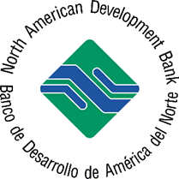
 |  | NORTH AMERICAN DEVELOPMENT BANK

 |  | TECHNICAL ASSISTANCE REQUESTED IN JUNE 2026

MEXICO

 | BAJA CALIFORNIA
 | Location | Nogales
 | Project Description | Rehabilitation of downtown wastewater infrastructure
 | Type | Wastewater Infrastructure
 | Activity | Final Design

 |  | TECHNICAL ASSISTANCE APPROVED IN JUNE 2026

MEXICO

 | BAJA CALIFORNIA
 | Location | Nogales
 | Project Description | Rehabilitation of downtown wastewater infrastructure
 | Type | Wastewater Infrastructure
 | Activity | Final Design | $60,000
 | Approval by | Chief Environmental Officer
 | Approval date | 2026-06-25
 | Status | Technical Assistance Agreement in process
 | Program | PDAP

 |  | TECHNICAL ASSISTANCE APPROVED IN JUNE 2026 | $60,000

